Bid_Ask
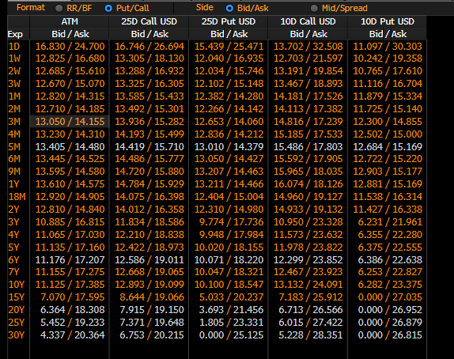
Term | ATM | ATM | 25 RR | 25 RR | 25 BF | 25 BF | 10 RR | 10 RR | 10 BF | 10 BF | Term | ATM | ATM | 25 Call USD | 25 Call USD | 25 Put USD | 25 Put USD | 10 Call USD | 10 Call USD | 10 Put USD | 10 Put USD | Term | ATM | 25 Call USD | 25 Put USD | 10 Call USD | 10 Put USD | Cuadre
 | Bid | Ask | Bid | Ask | Bid | Ask | Bid | Ask | Bid | Ask |  | Bid | Ask | Bid | Ask | Bid | Ask | Bid | Ask | Bid | Ask |  | Mid | Mid | Mid | Mid | Mid
1D | 13.480 | 21.060 | -1.265 | 4.040 | -1.615 | 2.175 | -1.910 | 7.190 | -2.080 | 3.985 | 1D | 13.480 | 21.060 | 11.233 | 25.255 | 12.498 | 21.215 | 10.445 | 28.640 | 12.355 | 21.450 | 1D | 17.270 | 18.244 | 16.856 | 19.542 | 16.903 | 0.000 | 0.000 | 0.000 | 0.000
1W | 10.950 | 14.215 | 0.455 | 2.745 | -0.515 | 1.120 | 1.100 | 5.020 | -0.285 | 2.330 | 1W | 10.950 | 14.215 | 10.662 | 16.708 | 10.208 | 13.962 | 11.215 | 19.055 | 10.115 | 14.035 | 1W | 12.583 | 13.685 | 12.085 | 15.135 | 12.075 | 0.000 | 0.000 | 0.000 | 0.000
2W | 11.605 | 14.210 | 0.740 | 2.565 | -0.340 | 0.965 | 1.605 | 4.735 | -0.015 | 2.070 | 2W | 11.605 | 14.210 | 11.635 | 16.458 | 10.895 | 13.893 | 12.393 | 18.648 | 10.788 | 13.913 | 2W | 12.908 | 14.046 | 12.394 | 15.520 | 12.350 | 0.000 | 0.000 | 0.000 | 0.000
3W | 11.890 | 14.120 | 0.945 | 2.505 | -0.230 | 0.885 | 1.970 | 4.645 | 0.165 | 1.950 | 3W | 11.890 | 14.120 | 12.133 | 16.258 | 11.188 | 13.753 | 13.040 | 18.393 | 11.070 | 13.747 | 3W | 13.005 | 14.195 | 12.470 | 15.716 | 12.409 | 0.000 | 0.000 | 0.000 | 0.000
1M | 12.270 | 13.760 | 1.260 | 2.305 | -0.030 | 0.715 | 2.530 | 4.320 | 0.485 | 1.680 | 1M | 12.270 | 13.760 | 12.870 | 15.628 | 11.610 | 13.323 | 14.020 | 17.600 | 11.490 | 13.280 | 1M | 13.015 | 14.249 | 12.466 | 15.810 | 12.385 | 0.005 | 0.005 | 0.005 | 0.005
2M | 12.140 | 13.630 | 1.305 | 2.355 | -0.015 | 0.735 | 2.635 | 4.435 | 0.500 | 1.700 | 2M | 12.140 | 13.630 | 12.778 | 15.543 | 11.473 | 13.188 | 13.958 | 17.548 | 11.323 | 13.113 | 2M | 12.885 | 14.160 | 12.330 | 15.753 | 12.218 | 0.005 | 0.005 | 0.005 | 0.005
3M | 12.240 | 13.240 | 1.525 | 2.230 | 0.135 | 0.635 | 3.045 | 4.250 | 0.750 | 1.550 | 3M | 12.240 | 13.240 | 13.138 | 14.990 | 11.613 | 12.760 | 14.513 | 16.915 | 11.468 | 12.665 | 3M | 12.740 | 14.064 | 12.186 | 15.714 | 12.066 | 0.000 | 0.000 | 0.000 | 0.000
4M | 12.090 | 13.075 | 1.565 | 2.255 | 0.160 | 0.655 | 3.135 | 4.320 | 0.805 | 1.595 | 4M | 12.090 | 13.075 | 13.033 | 14.857 | 11.468 | 12.603 | 14.462 | 16.830 | 11.328 | 12.510 | 4M | 12.583 | 13.945 | 12.035 | 15.646 | 11.919 | 0.000 | 0.000 | 0.000 | 0.000
6M | 11.950 | 12.940 | 1.590 | 2.285 | 0.185 | 0.680 | 3.210 | 4.400 | 0.860 | 1.655 | 6M | 11.950 | 12.940 | 12.930 | 14.763 | 11.340 | 12.478 | 14.415 | 16.795 | 11.205 | 12.395 | 6M | 12.445 | 13.846 | 11.909 | 15.605 | 11.800 | -0.005 | -0.005 | -0.005 | -0.005
9M | 11.990 | 12.870 | 1.655 | 2.265 | 0.245 | 0.685 | 3.355 | 4.405 | 0.960 | 1.660 | 9M | 11.990 | 12.870 | 13.063 | 14.688 | 11.407 | 12.423 | 14.628 | 16.732 | 11.273 | 12.327 | 9M | 12.430 | 13.875 | 11.915 | 15.680 | 11.800 | 0.000 | 0.000 | 0.000 | 0.000
1Y | 11.920 | 12.790 | 1.660 | 2.275 | 0.270 | 0.710 | 3.420 | 4.470 | 1.010 | 1.710 | 1Y | 11.920 | 12.790 | 13.020 | 14.638 | 11.360 | 12.363 | 14.640 | 16.735 | 11.220 | 12.265 | 1Y | 12.355 | 13.829 | 11.861 | 15.688 | 11.743 | -0.005 | -0.005 | -0.005 | -0.005
18M | 12.130 | 13.070 | 1.645 | 2.305 | 0.320 | 0.795 | 3.380 | 4.520 | 1.110 | 1.865 | 18M | 12.130 | 13.070 | 13.273 | 15.018 | 11.628 | 12.713 | 14.930 | 17.195 | 11.550 | 12.675 | 18M | 12.600 | 14.145 | 12.170 | 16.063 | 12.113 | 0.000 | 0.000 | 0.000 | 0.000
2Y | 12.210 | 13.240 | 1.615 | 2.340 | 0.340 | 0.855 | 3.345 | 4.585 | 1.145 | 1.970 | 2Y | 12.210 | 13.240 | 13.358 | 15.265 | 11.743 | 12.925 | 15.028 | 17.503 | 11.683 | 12.918 | 2Y | 12.725 | 14.311 | 12.334 | 16.265 | 12.300 | 0.005 | 0.005 | 0.005 | 0.005
3Y | 11.370 | 14.230 | 0.965 | 2.960 | -0.050 | 1.375 | 2.290 | 5.710 | 0.575 | 2.855 | 3Y | 11.370 | 14.230 | 11.802 | 17.085 | 10.837 | 14.125 | 13.090 | 19.940 | 10.800 | 14.230 | 3Y | 12.800 | 14.444 | 12.481 | 16.515 | 12.515 | 0.000 | 0.000 | 0.000 | 0.000
4Y | 11.400 | 14.270 | 0.935 | 2.945 | -0.010 | 1.425 | 2.280 | 5.725 | 0.650 | 2.945 | 4Y | 11.400 | 14.270 | 11.858 | 17.168 | 10.923 | 14.223 | 13.190 | 20.078 | 10.910 | 14.353 | 4Y | 12.835 | 14.513 | 12.573 | 16.634 | 12.631 | -0.005 | -0.005 | -0.005 | -0.005
5Y | 11.770 | 14.660 | 0.980 | 3.005 | 0.045 | 1.495 | 2.405 | 5.885 | 0.780 | 3.100 | 5Y | 11.770 | 14.660 | 12.305 | 17.658 | 11.325 | 14.653 | 13.753 | 20.703 | 11.347 | 14.818 | 5Y | 13.215 | 14.981 | 12.989 | 17.228 | 13.083 | 0.005 | 0.005 | 0.005 | 0.005
7Y | 11.790 | 14.730 | 1.040 | 3.100 | 0.100 | 1.570 | 2.590 | 6.120 | 0.860 | 3.210 | 7Y | 11.790 | 14.730 | 12.410 | 17.850 | 11.370 | 14.750 | 13.945 | 21.000 | 11.355 | 14.880 | 7Y | 13.260 | 15.130 | 13.060 | 17.473 | 13.118 | 0.000 | 0.000 | 0.000 | 0.000
10Y | 11.870 | 14.875 | 1.025 | 3.130 | 0.100 | 1.605 | 2.645 | 6.255 | 0.965 | 3.375 | 10Y | 11.870 | 14.875 | 12.482 | 18.045 | 11.458 | 14.915 | 14.157 | 21.378 | 11.513 | 15.123 | 10Y | 13.372 | 15.264 | 13.186 | 17.768 | 13.317 | 0.000 | 0.000 | 0.000 | 0.000
15Y | 9.390 | 13.260 | 0.425 | 3.135 | -0.190 | 1.745 | 1.560 | 6.200 | 0.660 | 3.755 | 15Y | 9.390 | 13.260 | 9.413 | 16.573 | 8.988 | 13.438 | 10.830 | 20.115 | 9.270 | 13.915 | 15Y | 11.325 | 12.993 | 11.213 | 15.473 | 11.593 | 0.000 | 0.000 | 0.000 | 0.000

Mids BGN
Term | ATM | 25 RR | 25 BF | 10 RR | 10 BF | Term | ATM | 25 Call USD | 25 Put USD | 10 Call USD | 10 Put USD
 | Mid | Mid | Mid | Mid | Mid |  | Mid | Mid | Mid | Mid | Mid
1D | 17.270 | 1.388 | 0.280 | 2.640 | 0.953 | 1D | 17.270 | 18.244 | 16.856 | 19.543 | 16.903
1W | 12.583 | 1.600 | 0.303 | 3.060 | 1.023 | 1W | 12.583 | 13.685 | 12.085 | 15.135 | 12.075
2W | 12.908 | 1.653 | 0.313 | 3.170 | 1.028 | 2W | 12.908 | 14.046 | 12.394 | 15.520 | 12.350
3W | 13.005 | 1.725 | 0.328 | 3.308 | 1.058 | 3W | 13.005 | 14.195 | 12.470 | 15.716 | 12.409
1M | 13.010 | 1.783 | 0.343 | 3.425 | 1.083 | 1M | 13.010 | 14.244 | 12.461 | 15.805 | 12.380
2M | 12.880 | 1.830 | 0.360 | 3.535 | 1.100 | 2M | 12.880 | 14.155 | 12.325 | 15.748 | 12.213
3M | 12.740 | 1.878 | 0.385 | 3.648 | 1.150 | 3M | 12.740 | 14.064 | 12.186 | 15.714 | 12.066
4M | 12.583 | 1.910 | 0.408 | 3.728 | 1.200 | 4M | 12.583 | 13.945 | 12.035 | 15.646 | 11.919
6M | 12.450 | 1.938 | 0.433 | 3.805 | 1.258 | 6M | 12.450 | 13.851 | 11.914 | 15.610 | 11.805
9M | 12.430 | 1.960 | 0.465 | 3.880 | 1.310 | 9M | 12.430 | 13.875 | 11.915 | 15.680 | 11.800
1Y | 12.360 | 1.968 | 0.490 | 3.945 | 1.360 | 1Y | 12.360 | 13.834 | 11.866 | 15.692 | 11.747
18M | 12.600 | 1.975 | 0.558 | 3.950 | 1.488 | 18M | 12.600 | 14.145 | 12.170 | 16.063 | 12.113
2Y | 12.720 | 1.978 | 0.598 | 3.965 | 1.558 | 2Y | 12.720 | 14.306 | 12.329 | 16.260 | 12.295
3Y | 12.800 | 1.963 | 0.663 | 4.000 | 1.715 | 3Y | 12.800 | 14.444 | 12.481 | 16.515 | 12.515
4Y | 12.840 | 1.940 | 0.708 | 4.003 | 1.798 | 4Y | 12.840 | 14.518 | 12.577 | 16.639 | 12.636
5Y | 13.210 | 1.993 | 0.770 | 4.145 | 1.940 | 5Y | 13.210 | 14.976 | 12.984 | 17.223 | 13.078
7Y | 13.260 | 2.070 | 0.835 | 4.355 | 2.035 | 7Y | 13.260 | 15.130 | 13.060 | 17.473 | 13.118
10Y | 13.373 | 2.078 | 0.853 | 4.450 | 2.170 | 10Y | 13.373 | 15.264 | 13.186 | 17.768 | 13.318
15Y | 11.325 | 1.780 | 0.778 | 3.880 | 2.208 | 15Y | 11.325 | 12.993 | 11.212 | 15.472 | 11.593

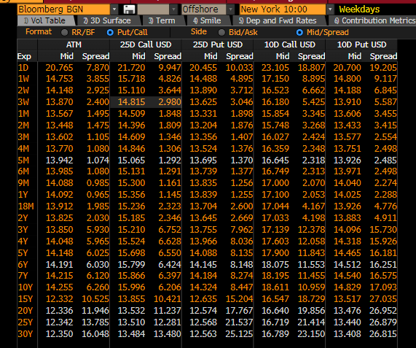
 |  |  |  |  |  |  |  |  |  |  |  | 16.746 | 26.694 | 15.439 | 24.471 | -1.307 | -2.223

